Statement
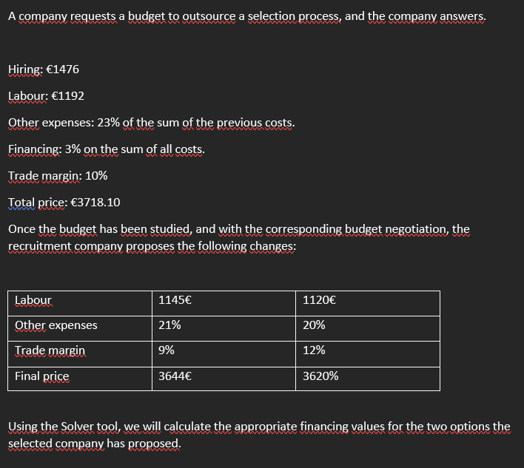

Case A
STEPS:
The original data is the data from which we started. They are for informational purposes only.
1.- We put the data that they give us in cells F10 and F11
2.- We write in cell G12 = 21%. In cell G13, we do not write anything because it is the data we will obtain with Solver. And in cell G14, we write 9%.
3.- In cell F12 we write the formula =(F11+F10)*G12
4.- In cell F13 we write the following formula =(F12+F11+F10)*G13
5.- In cell F14 we write the following formula =(F13+F12+F11+F10)*G14
6.-In cell F15 we write the following formula =F10+F11+F12+F13+F14
7.- We open the Solver Data tab and type the objective is to get the total price to be 3,644, and for this, we need to know how much the financing percentage should amount to.
Original data | Hiring | 1,476.00 €
 | Labour | 1,192.00 €
 | Others expenses | 613.64 € | 23%
 | Financing | 98.45 € | 3%
 | Trade margin | 338.01 € | 10%
 | Total Price | 3,718.10 €

 |  |  |  | QUOTE 1

 |  |  | Solver data | Hiring | 1,476.00 €
 |  |  |  | Labour | 1,145.00 €
 |  |  |  | Others expenses | 550.41 € | 21%
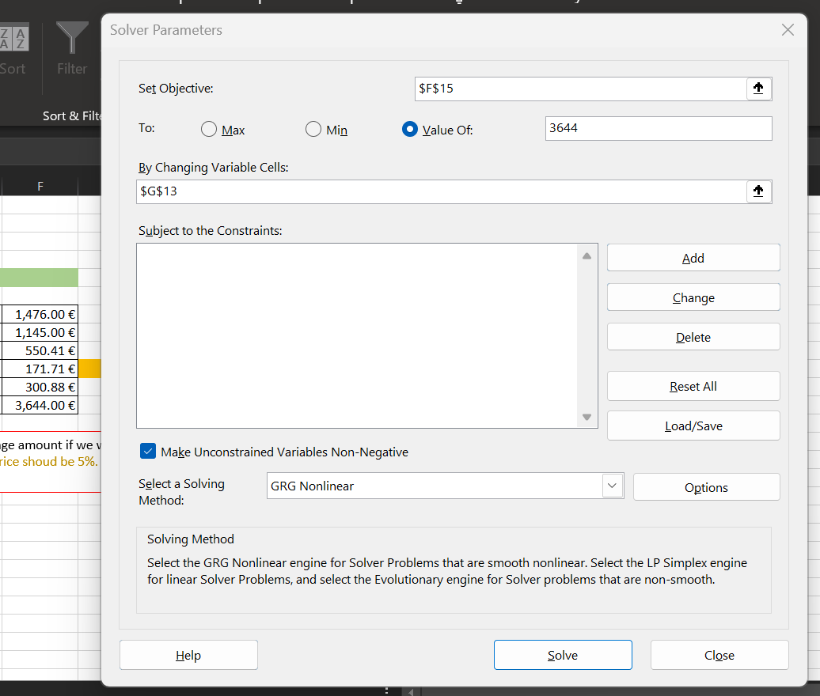
 |  |  |  | Financing | 171.71 € | 5%
 |  |  |  | Trade margin | 300.88 € | 9%
 |  |  |  | Total Price | 3,644.00 €
How much should the financing percentage amount if we want the final price to be €3,644? The financing price shoud be 5%.

Case B
STEPS:
The original data is the data from which we started. They are for informational purposes only.
1.- We put the data that they give us in cells F10 and F11
2.- We write in cell G12 = 20%, in cell G13 we do not write anything because it is the data that we are going to obtain with Solver, and in cell G14 we write 12%.
3.- In cell F12 we write the formula =(F11+F10)*G12
4.- In cell F13 we write the following formula =(F12+F11+F10)*G13
5.- In cell F14 we write the following formula =(F13+F12+F11+F10)*G14
6.-In cell F15 we write the following formula =F10+F11+F12+F13+F14
7.- We open the Solver Data tab and type the objective is to get the total price to be 3,620 and for this we need to know how much the financing percentage should amount to.
Original data | Hiring | 1,476.00 €
 | Labour | 1,192.00 €
 | Others expenses | 613.64 € | 23%
 | Financing | 98.45 € | 3%
 | Trade margin | 338.01 € | 10%
 | Total Price | 3,718.10 €

 |  |  |  | QUOTE 2

 |  |  | Solver data | Hiring | 1,476.00 €
 |  |  |  | Labour | 1,120.00 €
 |  |  |  | Others expenses | 519.20 € | 20%
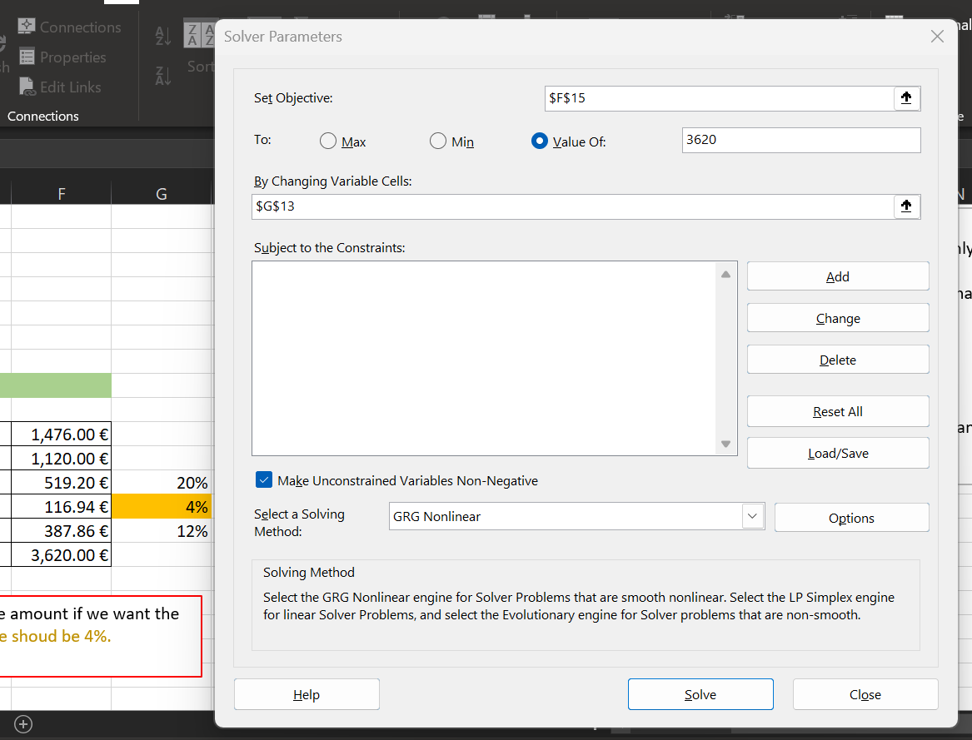
 |  |  |  | Financing | 116.94 € | 4%
 |  |  |  | Trade margin | 387.86 € | 12%
 |  |  |  | Total Price | 3,620.00 €

How much should the financing percentage amount if we want the final price to be €3,620? The financing price shoud be 4%.

